AND
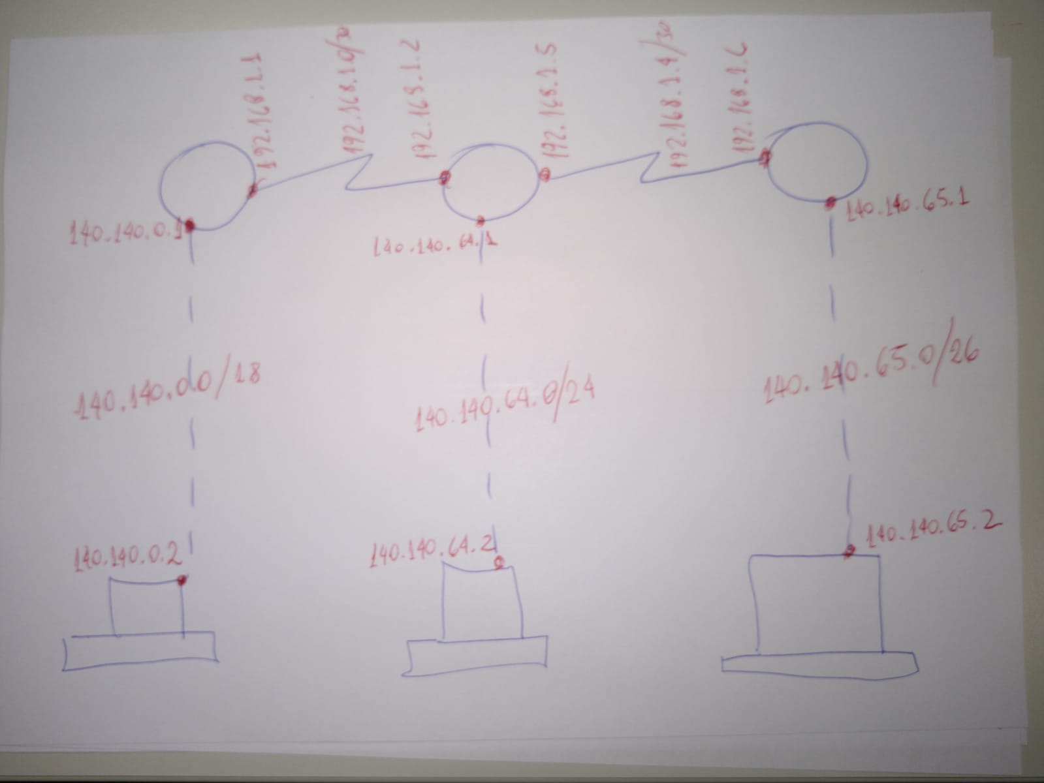
10001100.10001100.00000000.00000000 | 1 | 0 | 0 | 0 | 1 | 1 | 0 | 0 | . | 1 | 0 | 0 | 0 | 1 | 1 | 0 | 0 | . | 0 | 0 | 0 | 0 | 0 | 0 | 0 | 0 | . | 0 | 0 | 0 | 0 | 0 | 0 | 0 | 0 | 140 | 140 | 0 | 0
10001100.10001100.00000000.00000000 | 1 | 0 | 0 | 0 | 1 | 1 | 0 | 0 | . | 1 | 0 | 0 | 0 | 1 | 1 | 0 | 0 | . | 0 | 0 | 0 | 0 | 0 | 0 | 0 | 0 | . | 0 | 0 | 0 | 0 | 0 | 0 | 0 | 0 | 140 | 140 | 0 | 0
10001100.10001100.01000000.00000000 | 1 | 0 | 0 | 0 | 1 | 1 | 0 | 0 | . | 1 | 0 | 0 | 0 | 1 | 1 | 0 | 0 | . | 0 | 1 | 0 | 0 | 0 | 0 | 0 | 0 | . | 0 | 0 | 0 | 0 | 0 | 0 | 0 | 0 | 140 | 140 | 64 | 0
10001100.10001100.01000000.00000000 | 1 | 0 | 0 | 0 | 1 | 1 | 0 | 0 | . | 1 | 0 | 0 | 0 | 1 | 1 | 0 | 0 | . | 0 | 1 | 0 | 0 | 0 | 0 | 0 | 0 | . | 0 | 0 | 0 | 0 | 0 | 0 | 0 | 0 | 140 | 140 | 64 | 0
10001100.10001100.01000001.00000000 | 1 | 0 | 0 | 0 | 1 | 1 | 0 | 0 | . | 1 | 0 | 0 | 0 | 1 | 1 | 0 | 0 | . | 0 | 1 | 0 | 0 | 0 | 0 | 0 | 1 | . | 0 | 0 | 0 | 0 | 0 | 0 | 0 | 0 | 140 | 140 | 65 | 0

 |  |  |  |  |  |  |  |  |  |  |  |  |  |  |  |  |  |  | 17 | 18 | 19 | 20 | 21 | 22 | 23 | 24 |  | 25 | 26 | 27 | 28 | 29 | 30 | 31 | 32

